Form A
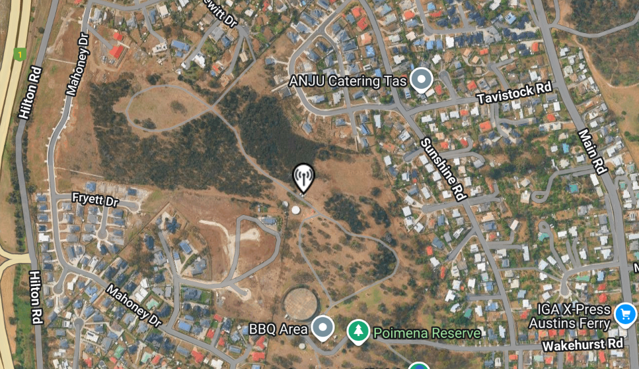
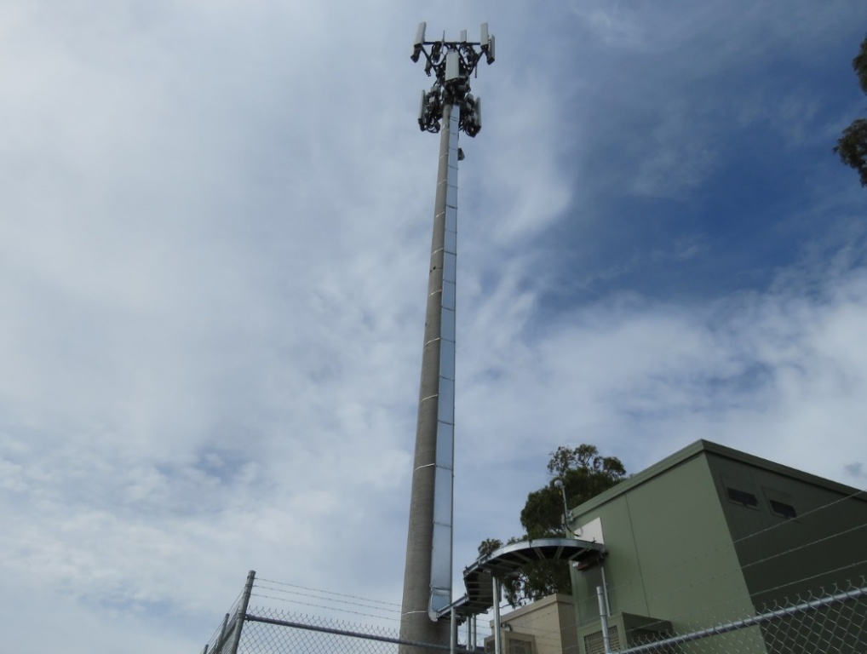
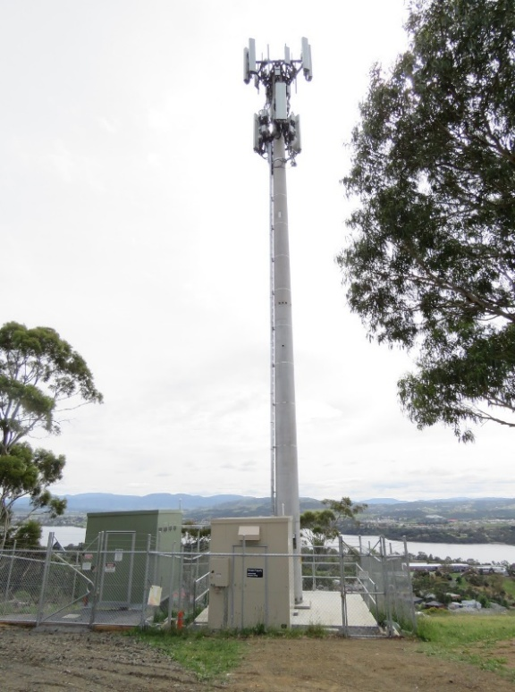
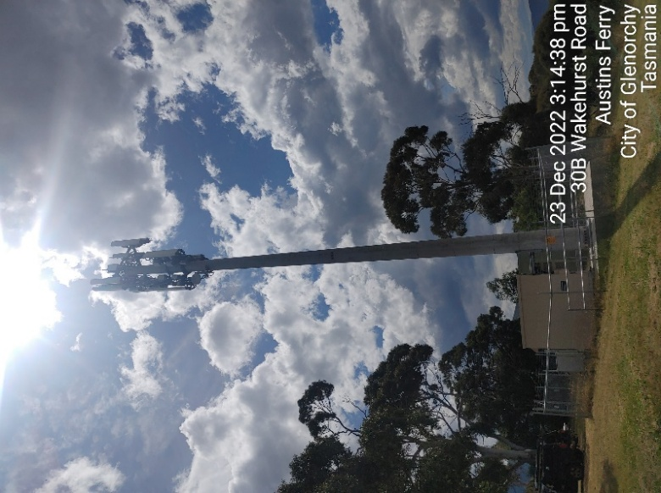
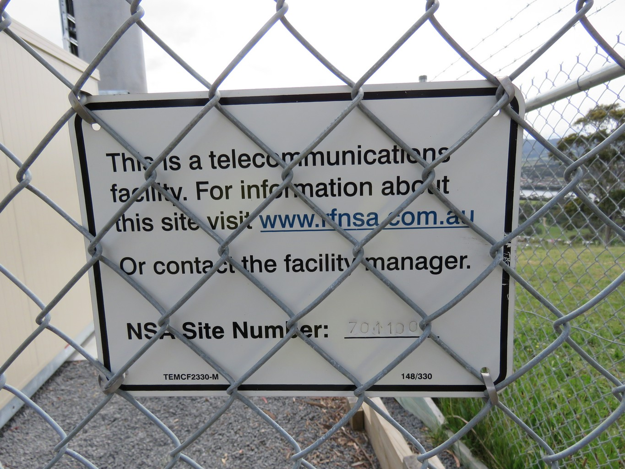
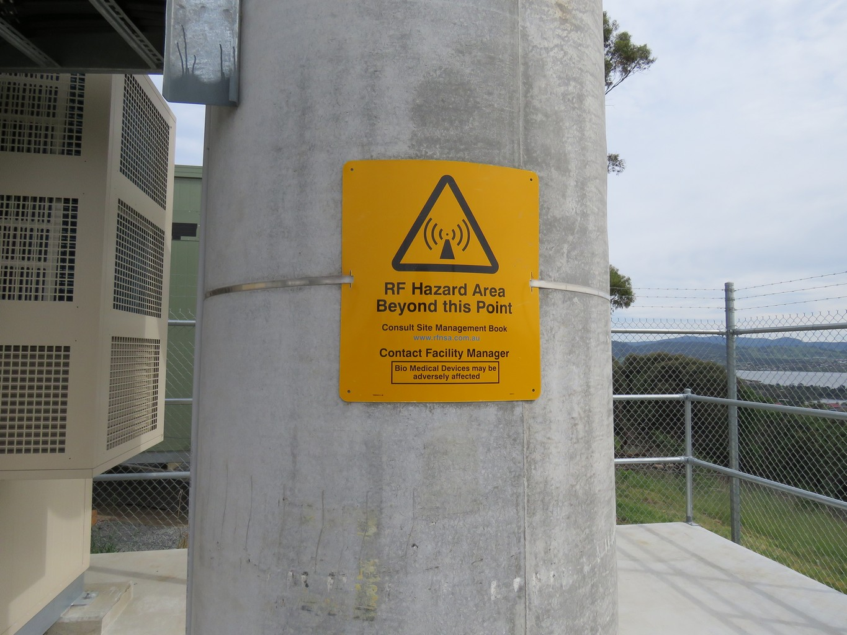
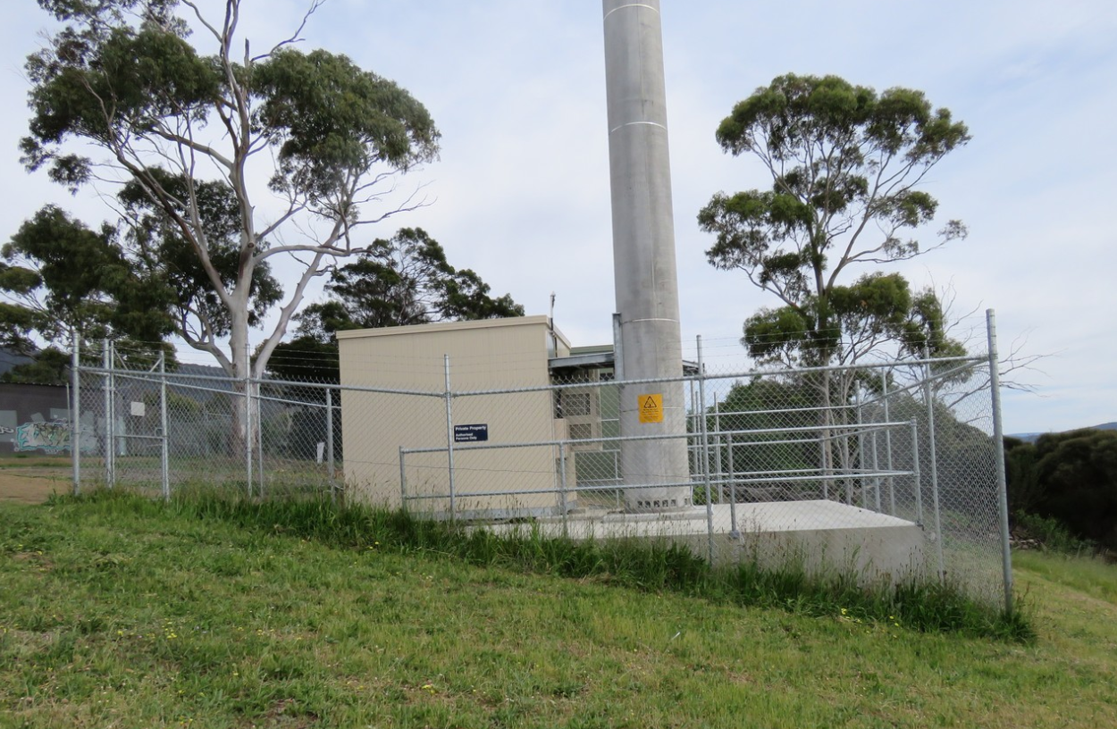
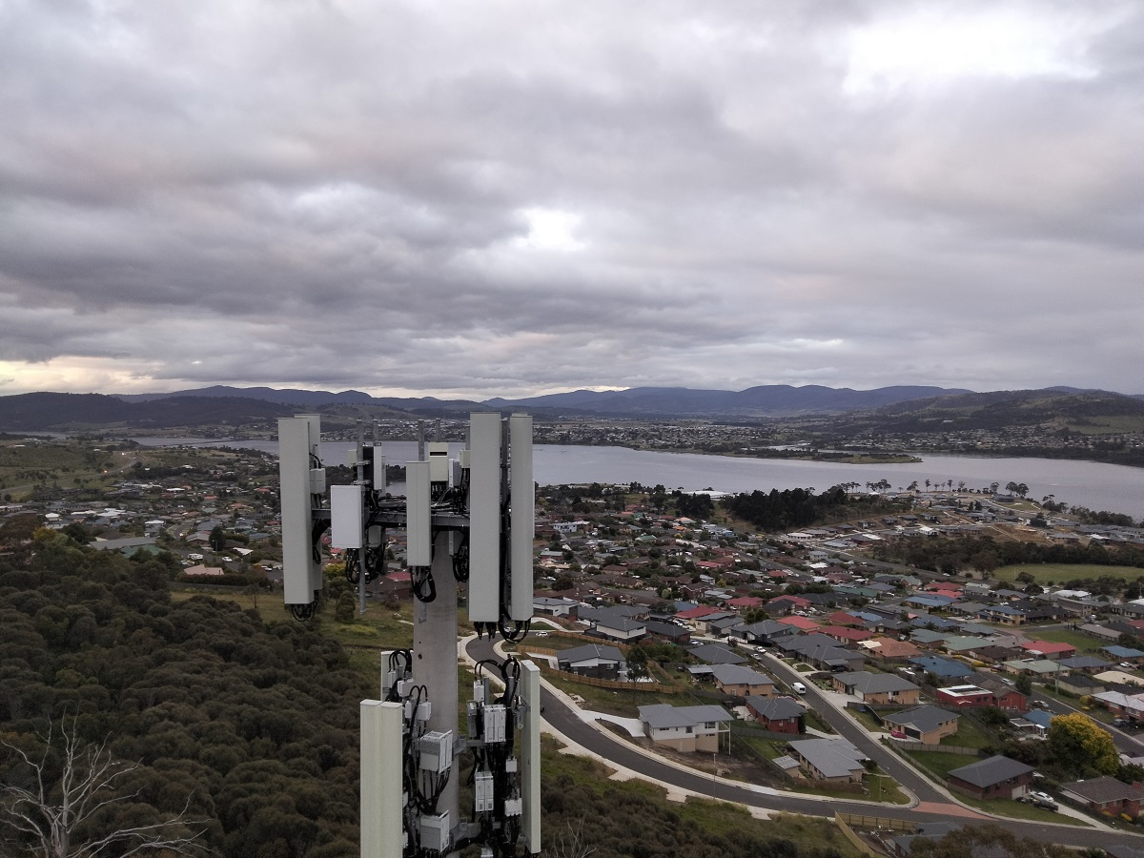
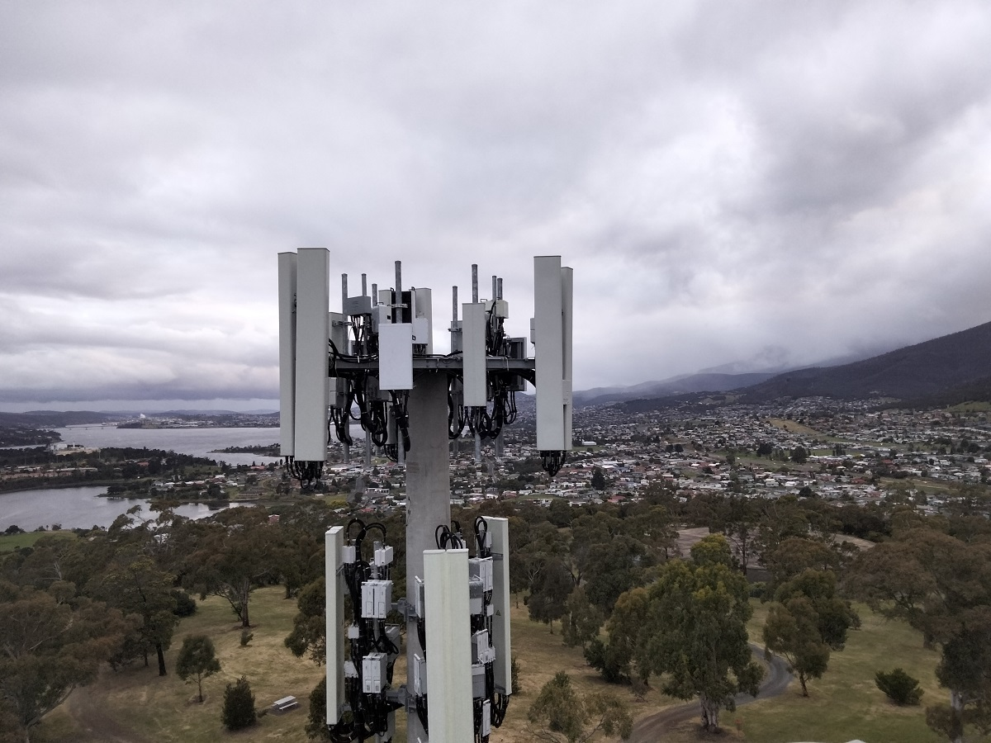
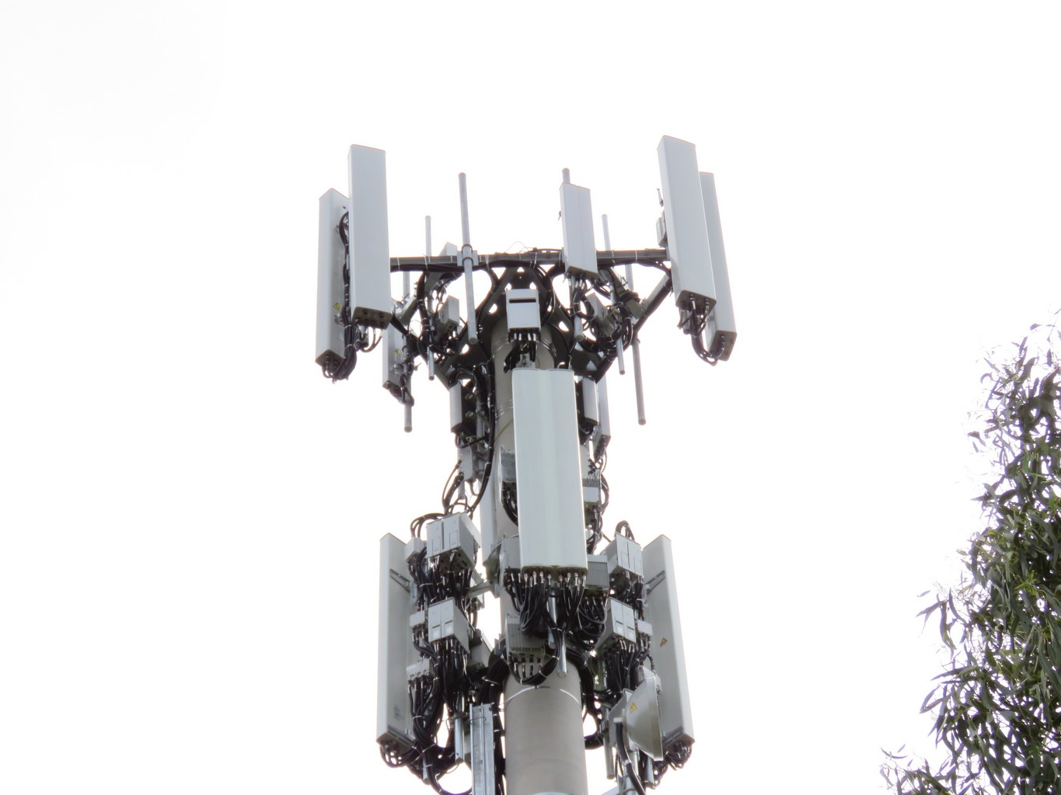
 | Form A : EME Design Review and Data Collection

 | Form A - is to be completed for all Upgrade and Greenfield sites.
 | The RF Design Engineer must review the Form A and reassess the design if any EME hazards or encroachment issues are identified. The RF Design Engineer must sign and approve this form and consider the design with reference to: • ARPANSA Radiation Protection Standard for Maximum Exposure Levels to Radiofrequency Fields – 3kHz to 300GHz (RPS3) • MCF Document 7.10 Base Station Design Guidelines - Engineering for Access Control. • MCF Document 7.1.01 Preferred Site Signage • MCF Document 7.2 Access Restriction Guidelines • Carrier/Project specific deployment guidelines If any item in FORM A produces a fail response, a PRD (Preliminary RF Drawing) will be required to accurately assess the RF EME Hazard at site.
 | Are you making any changes to the size or location of the EME Exclusion Zones at this site? e.g. adding new technology, changing antenna azimuth, change antenna type or mounting location etc. |  |  |  |  | Yes
 | Is there an existing "Form A" for this site? |  |  |  |  | Yes
 | Has this site been assessed to the Interim Safety Code 6 2014 level in PRD? |  |  |  |  | NA
 | Details | PRD not required
 | What example out of the eJV EME guideline has this site been assessed to? |  |  |  |  | Example 1

 | SITE INFORMATION

 | Site Activity Type |  | Upgrade 5G (eJV)

 | Lead Build Operator |  | Optus

 | Site Name |  | Austins Ferry | JV Site Number | JH3038
 |  |  |  |  |  |  | Definitions
 | Site Number |  | H8097 | RFNSA Number | 7011007
 |  |  |  |  |  |  | General Public Areas A member of the General Public is anyone who is not a trained RF worker. General Public Areas are places where anyone can access that are not under the control of an RCSMB (Radio Communication Site Management Book).
 | Site Address |  | 2 Plan 158154 Wakehurst Rd AUSTIN FERRY TAS 7011 | Date of site visit | N/A

 | Form Completed on site by |  | Luisito Britanico Jr | Did RF engineer visit site? | No

 | Date Of Issue |  | 2025-09-16 | Company | CPS Technology and Infrastructure

 | RF Design Engineer Sign Off |  |  |  |  |  | Common Use Public Areas Common Use Public Areas are defined as areas where members of the General Public regularly access or use as part of the normal daily life. ARPANSA RPS3 defines the “general public” as anyone who is not trained as an RF worker. Examples of Common Use Public Areas are: Sun decks, balconies, terraces, BBQ areas, swimming pools, tennis courts etc. Any of which can be privately or publicly owned. Other public spaces include roads foot paths and parks.

 | Based on information provided in this assessment the Site Design Complies with ARPANSA RPS3 and MCF Design Guidelines? If answer to question 2.2, 2.3, 2.4, 3.2, 3.3, 3.4, 3.5, 3.6 and 3.7 requires Form B, then "No" |  |  |  |  | No
 | Please complete "Form B" and escalate

 | Form Reviewed & Approved by RF Engineer |  | Luisito Britanico Jr | Company | CPS Technology and Infrastructure

 | Signature |  |  | Date | 2025-09-16

 | Data Collection |  |  |  |  |  | Aside from colour coded questions that will be completed by respective disciplines, RF Engineers as primary document owner will be responsible in ensuring the completeness of this document, as agreed by VPL.
1 | Signage
1.1 | Are there any outdated signage that need to be removed or replaced to achieve NSA Compliance Certificate? |  |  |  |  | No | Design Engineer | Signage and access control measures
 | Details |  |  |  |  |  | Town Planner | Community Sensitive POIs
1.2 | Is any additional signage required to achieve NSA Compliance Certificate? |  |  |  |  | Yes | RF Engineer | measurements provided by DE after assessing the EME impact
 | Details | MERCS-5 to be installed on the back of new antennas. Existing MERCS-1 at the base of monoploe Existing MERCS-2 at the gate

2 | Subject Property
2.1 | Are other Carrier/Carriers on site? |  |  |  |  | Yes
 | Details | Vodafone/Telstra
2.2 | Does the design comply with the 3m horizontal and vertical separation distances to Building Rooftops and Sides/Facades (as defined in MCF guidelines)? |  |  |  |  | Yes
 | Details | There will be sufficient separation.
2.3 | Does the design comply with 5m horizontal and vertical separation distances from Common Use Public Areas (as defined in MCF guidelines) based on review of standard EME plumes? |  |  |  |  | Yes
 | Details | There are no Common Use Public Areas on the subject property.
2.4 | Is a design review triggered due to EME levels being 25% or greater of Non-Occ limit in Common Use Public Areas (as defined in MCF guidelines)? |  |  |  |  | No
 | Details | There are no Common Use Public Areas on the subject property.
2.5 | Are there suitable access control measures in place which limit access to the general public to the area around the transmitting infrastructure? E.g. signage, locked door, locked gate, locked access ladder |  |  |  |  | Yes
 | Details | There is a locked gate with signage and a fence with barbed wire that will limit access.

3 | Adjacent Property/Structures
3.1 | Are there any other nearby sites that may influence cumulative EME levels that should be considered in EME exclusion zone calculations? |  |  |  |  | No
 | Details | No nearby sites within 50m that would influence cumulative EME levels.
3.2 | Does the design comply with the 3m horizontal and vertical separation distances to Building Rooftops and Sides/Facades (as defined in MCF guidelines)? |  |  |  |  | Yes
 | Details | There will be sufficient separation.
3.3 | Does the design comply with 5m horizontal and vertical separation distances from Common Use Public Areas (as defined in MCF guidelines)? |  |  |  |  | Yes
 | Details | There will be sufficient separation.
3.4 | Does the design comply with 3m Radial separation distance for power/tram lines/utility structures (as defined in MCF guidelines)? |  |  |  |  | Yes
 | Details
3.5 | Are there any trees encroaching within the Non-Occ boundary of the antennas? |  |  |  |  | No
 | Details | Possible encroachment of cumulative yellow plumes of Sector 2 & 3 at POI Tree 3,4 and 5. Refer to Form B
3.6 | Is there 10m vertical separation distance from the Non-Occ Boundary over adjoining land? |  |  |  |  | Yes
 | Details | There will be sufficient separation.
3.7 | On any adjoining properties are there any Common Use Public Areas where 25% of RPS 3 Non-Occ limit or greater levels are predicted to occur based on review of standard EME plumes. |  |  |  |  | No
 | Details | There is no common use public area within 25% non-occ exclusion zone.
3.8 | Have you identified any suggested changes to the proposed design that may assist in the site complying with EME guidelines? |  |  |  |  | No
 | Details
3.9 | Have you identified any additional POI’s not within the leased property. These POI need to be entered in to the RFNSA as near field POI’s and shall be analysed in a PRD (Preliminary RF Drawing). Eg. gathering places, courtyards, smoking areas, terrace gardens, balconies, windows, playgrounds, pools, tennis courts. |  |  |  |  | No
Collect coordinates, dimensions and photograph of each point:
1 | Details | Photos 1
2 | Details | Photos 2
3 | Details | Photos 3
4 | Details | Photos 4
4 | Other design considerations
4.1 | Is this a community sensitive site or area ? |  |  |  |  | No
 | Details | Non-sensitive site.
4.2 | Are there any other previous known issues involving EME Exclusion Zones at this site? |  |  |  |  | No
 | Details
4.3 | Further Information |  |  |  |  | Yes
 | Details | Refer to Form B

Supply photos showing overall site structure, antenna locations, site environment and EME risk to surroundings (if any).

Form B
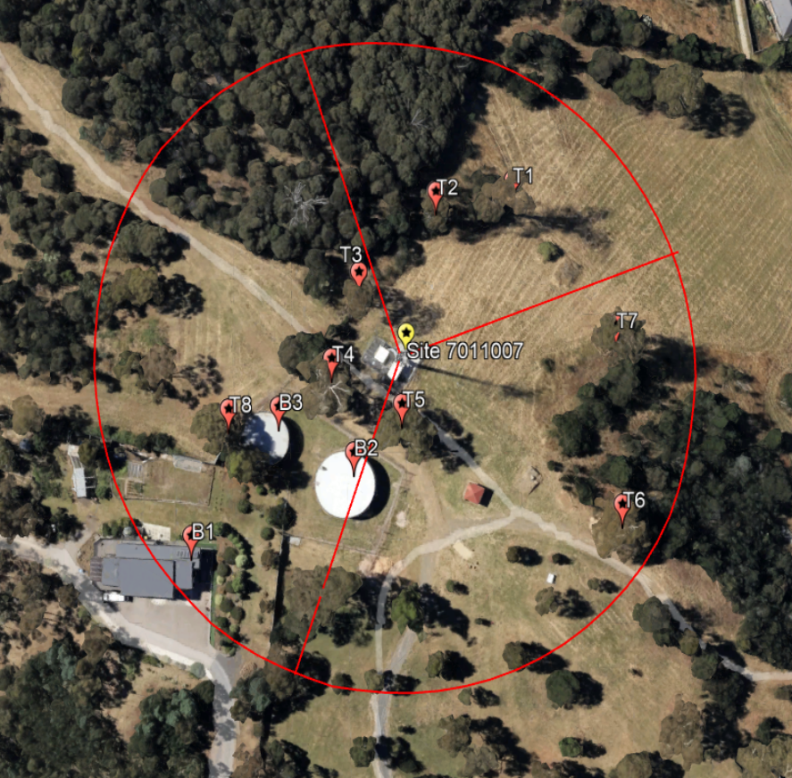
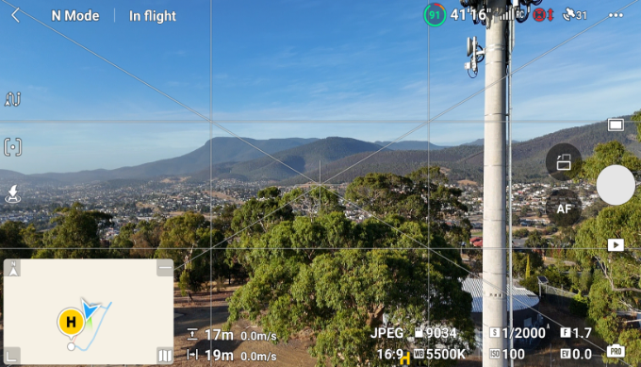
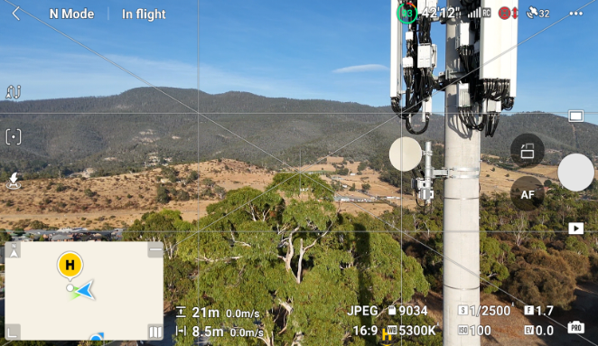
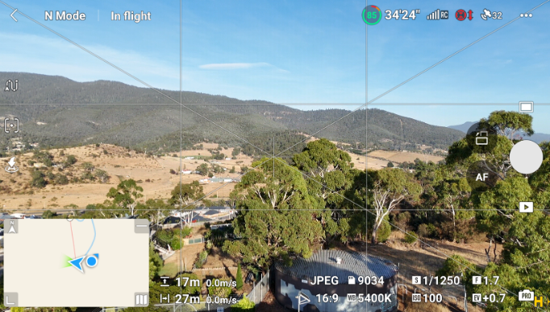
 | Form B : EME Non-Compliance - Carrier Escalation Review

 | Form B - is required when a site design has 1 or more of the following issues; 1. Non-compliance with MCF Guidelines 2. Has EME Level >25% at POI 3. An EME Hazard zone encroachment. Form B is prepared after a detailed RF design review has been undertaken to seek to avoid these issues, but has been unable to be resolved through step back design approaches. Form B requires Management Approval to proceed with design.
 | The RF Design Engineer is expected to have visited the site to assess the design prior to finalising this form. The review of the RF EME hazard and responsibility for the design assessment is the responsibility of the RF Design Engineer. The RF assessment in this form shall be with reference to: • ARPANSA Radiation Protection Standard for Maximum Exposure Levels to Radiofrequency Fields – 3kHz to 300GHz (RPS3) • MCF Document 7.10 Base Station Design Guidelines - Engineering for Access Control. • MCF Document 7.1.01 Preferred Site Signage • MCF Document 7.2 Access Restriction Guidelines • Carrier/Project specific deployment guidelines
 | EXCLUSION ZONE - ENCROACHMENT ASSESSMENT Show how the EME Exclusion Zone extends over areas not controlled by the carrier. Please provide as a minimum: • Prelim RF Drawings(PRD) with plan and elevation view of site showing cumulative EME Exclusion Zone (Occupational and General public) and all encroachment areas. • Plans should show distances that EME Exclusion Zones extend over adjacent property - the proposed site and neighbouring properties over which the EME Exclusion Zone extends, identifying: - houses , sensitive uses such as schools, day care centres, hospitals, and other buildings; - trees; - cubby houses, outdoor sheds; - access roads and driveways; - playgrounds, pathways, roads; - any other relevant structures - property boundaries relative to each other. • Up to date photos. • Google Earth / NearMap view if available and up to date. • Form A: EME Design Review
 | The form is to be signed and information verified by the SAED supplier, RF Design Engineer, Optus PM and the Senior PM. Form B is to be distributed to Optus National Site Acquisition Manager and Optus Community Relations Manager following Optus State manager approval. MNIS/CMP to be signed off and copy of Form A and B to be uploaded.

 | RF EME Hazard and Design Sign Off

 | Site Name |  | Austins Ferry |  | Site Address |  | 2 Plan 158154 Wakehurst Rd AUSTIN FERRY TAS 7011

 | Site Number |  | H8097

 | JV Site Number |  | JH3038 |  | RFNSA Number |  | 7011007

 | Vendor Reviewer Name |  |  |  | Document Reviewed Date

 | Vendor Project Manager Name |  |  |  | Vendor Project Manager Signature

 | SAED Supplier Name |  | Robin George |  | SAED Supplier Signature |  | Rgeorge

 | Vendor RF Engineer Name |  | Luisito Britanico Jr |  | Vendor RF Engineer Signature

 | PRD filename and version |  | N/A

 | PRD Modelling Standard

 | ARPANSA RPS3 Compliant (Vendor to complete)

 | With the relaxation of MCF guideline as per this Form B, please describe the actions taken based on Hierarchy of Controls to ensure the site still meets ARPANSA RPS3 requirements?
 | Details | 658102_Upgrade 5G (eJV OH) EME Issue : Possible encroachment of cumulative yellow plumes of Sector 2 & 3 at POI Tree 3, Tree 4 and Tree 5 The trees are approximately 16m, 17m and 21m in height, while the antenna height (ACL) is 23.1m, droop is about 6.9m (eJV EME GL v5.1 plume guide). The tree is inside the same compound which looks like not being trimmed. Relaxation of GL. |  |  |  |  |  |  | Pls list out the existing and proposed control methods to prevent public (non-RF worker) from entering into non-compliant exclusion zones on site. For example, number of access controls, location and types of signage on site, chain barricade, etc The methods need to be documented in For Construction Drawing and implemented on site as required. Site Project Manager and Civil Design Engineer have acknowledged the proposed methods.

 | E Zone Letters (Vendor to complete)

 | Requires EZone letter to sent to neighbouring property owner (as per Optus Land Owner Notification Policy) |  |  |  |  |  |  | No
 | Name and Address of impacted party 1
 | Describe EME impact
 | Name and Address of impacted party 2
 | Describe EME impact

 | Design Approval

 | Optus State Manager Name |  |  |  | Optus State Manager Signature

 | State Manager's Review Feedback

 | Assessment Criteria (Vendor to complete) |  |  |  |  |  |  |  | Aside from colour coded questions that will be completed by respective disciplines, RF Engineers as primary document owner will be responsible in ensuring the completeness of this document.
1 | COMMUNITY
1.1 | Is this proposal likely to be contentious with community |  |  |  |  |  |  | No
 | Details | Non-sensitive site. |  |  |  |  |  |  | Design Engineer
2 | BASE STATION SITE INFORMATION |  |  |  |  |  |  |  | Town Planner
2.1 | Description of site |  |  |  |  |  |  |  | RF Engineer
 | Details | Concrete Pole
2.2 | Are other carriers on site contributing to cumulative EME? |  |  |  |  |  |  | Yes
 | List other carriers | Vodafone/Telstra
2.3 | If previous answer was yes has other carrier been consulted? |  |  |  |  |  |  | No
 | Resolution | Not required
2.4 | Site owner and controller
 | Details | Optus
2.5 | Are there any areas on the owners property that require chain barriers or site shut down prior to access? |  |  |  |  |  |  | No
 | List areas and type of restriction
2.6 | If the answer to the question above is yes, written evidence of the land owners consent and acknowledgment of the access restrictions mentioned above been enclosed with this Form B? |  |  |  |  |  |  | NA
 | Notes
2.7 | Comment on land use of surrounding areas, any sensitive uses?
 | Details | Near water tank and residential building
3 | EME Restrictions by Technology, Tilt and Port Power |  |  |  |  |  |  |  |  | For example
3.1 | List technologies removed per sector to keep site compliant according to latest PRD. Grey out cells that have no changes. |  |  |  |  |  |  |  |  |  |  | Sector 1 |  | Sector 2 |  | Sector 3 |  | Sector 4
 |  | Sector 1 |  | Sector 2 | Sector 3 | Sector 4 |  |  |  | Optus |  | GU9 |  | G18
 | Optus |  |  |  |  |  |  |  |  | VHA |  | G9
 | VHA
3.2 | List tilt restrictions per sector to keep site compliant according to latest PRD. Grey out cells that have no changes. |  |  |  |  |  |  |  |  |  |  | Sector 1 |  | Sector 2 |  | Sector 3 |  | Sector 4
 |  | Sector 1 |  | Sector 2 | Sector 3 | Sector 4 |  |  |  | Optus |  | 0-6
 | Optus |  |  |  |  |  |  |  |  | VHA |  | 0-6
 | VHA
3.3 | List port power restrictions per sector to keep site compliant according to latest PRD. (in dBm according to NSA STAD) Only list technology that has different port power compare to the latest EME guideline, grey out cells that have no changes. |  |  |  |  |  |  |  |  |  |  |  | Sector 1 |  | Sector 2 |  | Sector 3 |  | Sector 4
 |  | Sector 1 |  | Sector 2 | Sector 3 | Sector 4 |  |  |  | Optus | L700
Optus | L700 |  |  |  |  |  |  |  |  |  | G900
 | G900 |  |  |  |  |  |  |  |  |  | U900
 | U900 |  |  |  |  |  |  |  |  |  | G1800
 | G1800 |  |  |  |  |  |  |  |  |  | L1800
 | L1800 |  |  |  |  |  |  |  |  |  | U2100 |  | 44+44
 | U2100 |  |  |  |  |  |  |  |  |  | L2100
 | L2100 |  |  |  |  |  |  |  |  |  | L2300 |  |  |  | 45+45 |  | 45+45 |  | 45+45
 | L2300 |  |  |  |  |  |  |  |  |  | L2600
 | L2600 |  |  |  |  |  |  |  |  | VHA | U850
VHA | U850 |  |  |  |  |  |  |  |  |  | L850
 | L850 |  |  |  |  |  |  |  |  |  | G900
 | G900 |  |  |  |  |  |  |  |  |  | U900
 | U900 |  |  |  |  |  |  |  |  |  | G1800
 | G1800 |  |  |  |  |  |  |  |  |  | L1800 |  |  |  | 44+44 |  | 44+44 |  | 44+44
 | L1800 |  |  |  |  |  |  |  |  |  | U2100 |  | 44+44
 | U2100

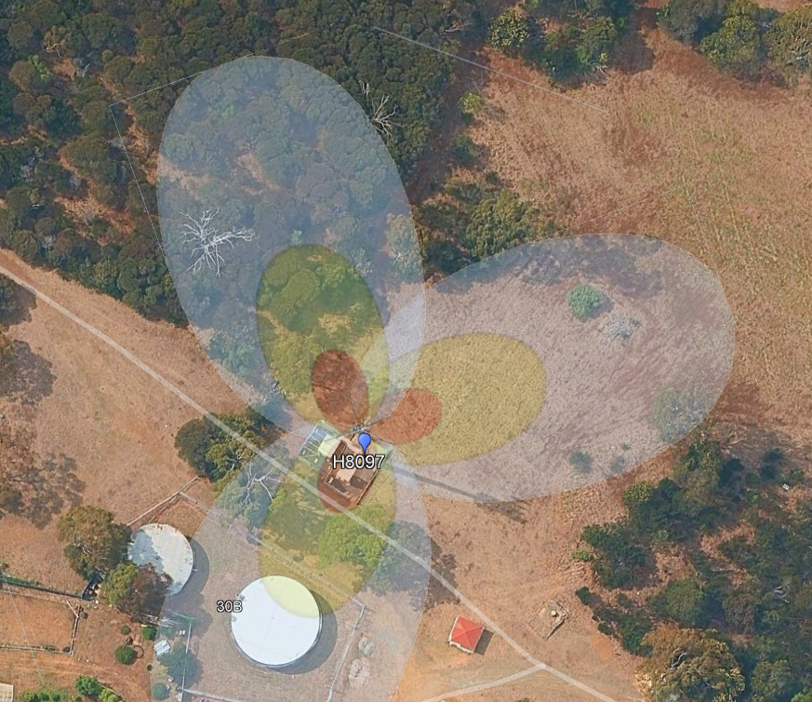
4 | NON-COMPLIANCE ISSUES
4.1 | Issue 1. | Possible encroachment of cumulative yellow plumes of Sector 2 & 3 at POI Tree 3, Tree 4 and Tree 5
 | Details | The trees are approximately 16m, 17m and 21m in height, while the antenna height (ACL) is 23.1m, droop is about 6.9m (eJV EME GL v5.1 plume guide). The tree is inside the same compound which looks like not being trimmed. Relaxation of GL.
 | Photos | 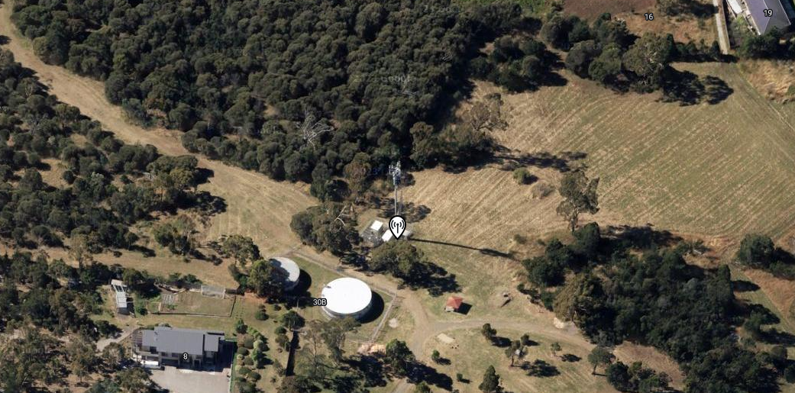 Insert photos of non compliant area. (additional labelled photos can be added at the bottom if required)
5 | Supporting Documents check list
5.1 | PRD | Has latest PRD been provided and uploaded to Optus database? |  |  |  |  |  | NA
5.2 | Google Earth images | Have Google Earth images been provided? |  |  |  |  |  | Yes
5.3 | Photos | Have suitable site photos been provided? |  |  |  |  |  | Yes
6 | Other Information
6.1 | Include any other comments relevant to the review of this design.
 | Details

